Ind. Assignment
1. Since the assignment requires to calculate some KPIs that Iberia is tracking, firstly we'll need to spot which columns of which tables are necessary to accomplish the task. For KPIs 1,2,3 and 5 we'll need to access the MONTHY INCIDENTS RAISED folder. To know the P1 incidences per month (KPI 1) we will count how many incidents there are when the column L(Urgency) says: 1-Crítica. For KPI 3, we'll do the same with column K(Priority) but counting every other kind of incident prioriry (High, Medium, Low apart from Critica). For KPI 2 we'll count every incident raised (no matter which column we take, we'll count the rows). For KPI 5 we'll take column Q(Incident Type) and count how many incidents were rasied for each category. For KPI 4 we access MONTHLY INCIDENTS BACKLOG folder and count every row of the folder. For KPI 6 I will create 2 additional columns in the MONTHLY INCIDENTS CLOSED folder. Columns F and G, time to solve in hours and days respectively. Then, I will count if two conditions are met: tiem to solve in hours is 4 or less and if the priority is critical. For KPI 7 I will dicide KPI 6 by total number of critical incidents. For KPI 8, always in the same folder (closed monthly incidents), I will count the total critical closed incidents reported and then substract the ones that have been solved in time (4 hours or less), calculated in KPI 6. And again for KPI 9, I will divide this last number by the total critica incidents. For KPI 10 I will calculate the average time of resolution (column F of MONTHLY INCIDENTS CLOSED) only taking into account the resolution times of those critical incidents and the ones who compplied with the SLA ragreement, so the ones who were solved in under 4 hours. For KPI 11, I will do the same but with those who were critical and were solved in over 4 hours.

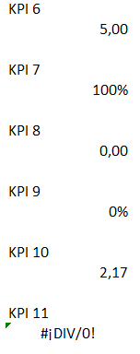
2. Each KPI is calculated at the end of the folder specified in question 1. I copy snapshots below.
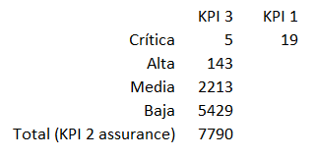
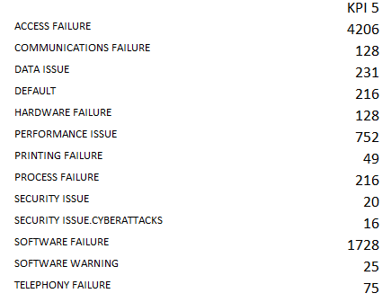

3. For additional KPI's we could control the MTBF (Mean Time Between Failures), which is calculated dividing the number of failures (criticl for instance) divided by a time period (a month for example). We could also calculated the number of repeated incidents, by counting the repeated elements in the column S (incident type) of the Monthly Closed Incidents.

